Sheet1
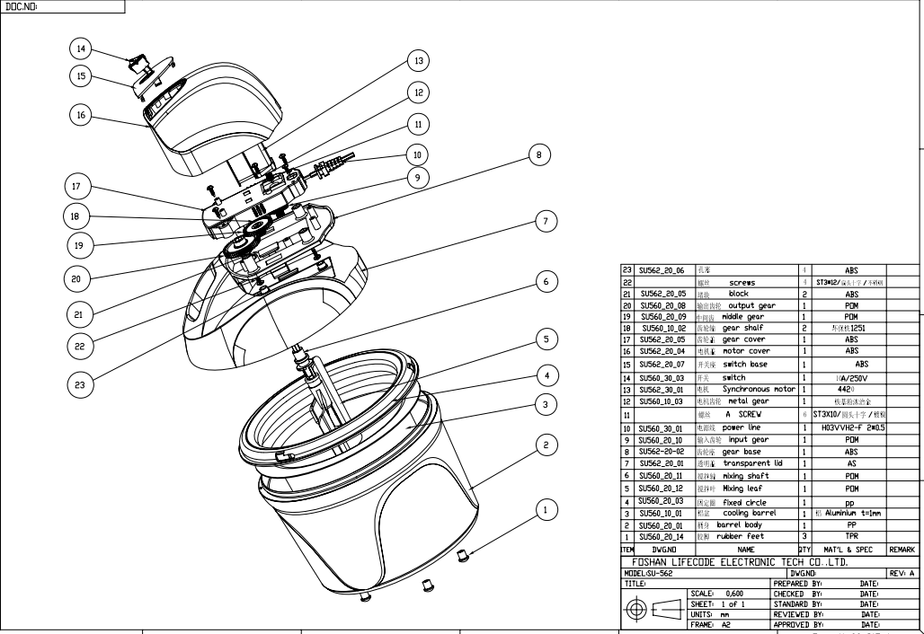
Series number of part | Name of part | Description | Material / Substance / component | CAS No If available | Concertation in 0.00% | Qty used (kg/m2/l) | SDS available (Y/N)
7 | Transparent lid | Partially Prepared Products_Injecting plastic | AS |  |  | 1
20 | Output gear | Partially Prepared Products_Injecting plastic | POM |  |  | 1
9 | middle gear | Partially Prepared Products_Injecting plastic | POM |  |  | 1
9 | input gear | Partially Prepared Products_Injecting plastic | POM |  |  | 1
6 | Mixing shaft | Partially Prepared Products_Injecting plastic | POM |  |  | 1
5 | Mixing leaf | Partially Prepared Products_Injecting plastic | POM |  |  | 1
1 | rubber feet | Partially Prepared Products_Injecting plastic | TPR |  |  | 3
3 | cooling barrel | Stamping and stretching surface oxidation | aluminium |  |  | 1
16 | motor cover | Partially Prepared Products_Injecting plastic | ABS |  |  | 1
8 | gear base | Partially Prepared Products_Injecting plastic | ABS |  |  | 1
17 | gear cover | Partially Prepared Products_Injecting plastic | ABS |  |  | 1
15 | switch base | Partially Prepared Products_Injecting plastic | ABS |  |  | 1
14 | switch | 250V/6A | / |  |  | 1
4 | fixed circle | Partially Prepared Products_Injecting plastic | PP |  |  | 1
2 | barrel body | Partially Prepared Products_Injecting plastic | PP |  |  | 1
10 | power line | BS |  |  |  | 1
22 | screws | ST3*10mm | nickelage |  |  | 6
11 | A screws | ST3*12mm | stainless steel |  |  | 4

Exploded view picture

